NAM
Region | Season |  | Summer/Typical day |  |  |  |  |  |  |  |  | https://epicenergyblog.com/2015/07/14/half-empty-planes-utilization-rates-for-californias-electric-grid-part-ii/
NAM | Time of the day | 1-4 | 5-8 | 9-12 | 13-16 | 17-20 | 21-24 |  | 1 | 47% | 53%
NAM | Building (share) | 47% | 45% | 46% | 50% | 54% | 51% |  | 5 | 45% | 55%
NAM | Industry (share) | 53% | 55% | 54% | 50% | 46% | 49% |  | 9 | 46% | 54%
NAM | Total demand | 100% | 100% | 100% | 100% | 100% | 100% |  | 13 | 50% | 50%
 |  |  |  |  |  |  |  |  | 17 | 54% | 46%
Data available | Season |  | Summer/Typical day |  |  |  |  |  | 21 | 51% | 49%
NAM | Time of the day | 1-4 | 5-8 | 9-12 | 13-16 | 17-20 | 21-24 |  | 24 | 47% | 53%
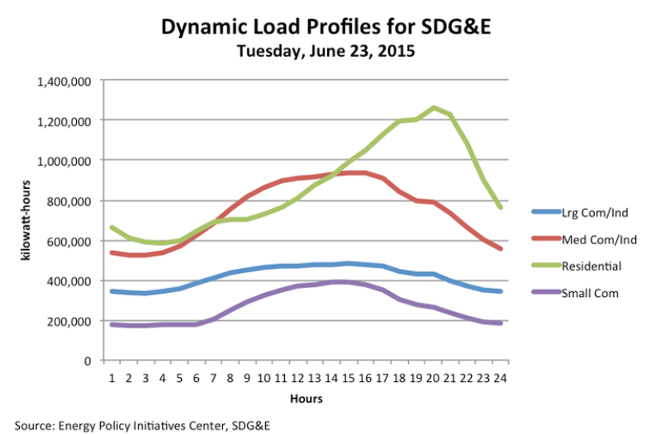
NAM | Building (share)
NAM | Industry (share)
NAM | Total demand

 | Residential | Small Com | Med com/ind | Larg Com/Ind | Industrial | Buildings | Industrial | Buildings |  | Industrial | Buildings
0 | 0.6630499 | 0.17244057 | 0.53782994 | 0.34076902 | 0.87859896 | 0.83549047 |  |  | 1-4 | 0.46610695897 | 0.53389304103
1 | 0.6012108 | 0.17216541 | 0.52115214 | 0.33224994 | 0.85340208 | 0.77337621 | 0.53389304103 | 0.46610695897 | 5-8 | 0.44589516098 | 0.55410483902
2 | 0.59273756 | 0.17187715 | 0.52089006 | 0.3319879 | 0.85287796 | 0.76461471 |  |  | 9-12 | 0.45705715628 | 0.54294284372
3 | 0.5822181 | 0.17164785 | 0.53699785 | 0.34197012 | 0.87896797 | 0.75386595 |  |  | 13-16 | 0.49757678587 | 0.50242321413
4 | 0.59832597 | 0.17138578 | 0.5634286 | 0.3581369 | 0.9215655 | 0.76971175 |  |  | 17-20 | 0.54201488945 | 0.45798511055
5 | 0.6514101 | 0.17110407 | 0.61860484 | 0.3845545 | 1.00315934 | 0.82251417 | 0.55410483902 | 0.44589516098 | 21-24 | 0.51178160413 | 0.48821839587
6 | 0.6880786 | 0.20773976 | 0.66550446 | 0.41099176 | 1.07649622 | 0.89581836
7 | 0.69602764 | 0.2506124 | 0.7433138 | 0.43738973 | 1.18070353 | 0.94664004
8 | 0.69579834 | 0.28522804 | 0.81487304 | 0.45557654 | 1.27044958 | 0.98102638
9 | 0.73246676 | 0.32188994 | 0.8536139 | 0.46555874 | 1.31917264 | 1.0543567 | 0.54294284372 | 0.45705715628
10 | 0.7588647 | 0.35647282 | 0.89641446 | 0.46532944 | 1.3617439 | 1.11533752
11 | 0.80382293 | 0.36447433 | 0.904357 | 0.46510014 | 1.36945714 | 1.16829726
12 | 0.86511827 | 0.37448275 | 0.912293 | 0.475102 | 1.387395 | 1.23960102
13 | 0.920229 | 0.39267612 | 0.93044704 | 0.4748465 | 1.40529354 | 1.31290512 | 0.50242321413 | 0.49757678587
14 | 0.991821 | 0.37599832 | 0.93044704 | 0.47455823 | 1.40500527 | 1.36781932
15 | 1.044938 | 0.36547232 | 0.93016535 | 0.47430274 | 1.40446809 | 1.41041032
16 | 1.108345 | 0.34879452 | 0.92379737 | 0.46375054 | 1.38754791 | 1.45713952
17 | 1.1881154 | 0.29102826 | 0.9050733 | 0.43680882 | 1.34188212 | 1.47914366 | 0.45798511055 | 0.54201488945
18 | 1.1878533 | 0.26613933 | 0.8329965 | 0.4283684 | 1.2613649 | 1.45399263
19 | 1.251208 | 0.26588383 | 0.78757316 | 0.42805392 | 1.21562708 | 1.51709183
20 | 1.2324709 | 0.22864541 | 0.7872587 | 0.3887627 | 1.1760214 | 1.46111631
21 | 1.026845 | 0.20167093 | 0.7233341 | 0.35357708 | 1.07691118 | 1.22851593 | 0.48821839587 | 0.51178160413
22 | 0.8911646 | 0.18499313 | 0.6512573 | 0.34513664 | 0.99639394 | 1.07615773
23 | 0.757478 | 0.18473108 | 0.60584044 | 0.33666998 | 0.94251042 | 0.94220908
24

LAM
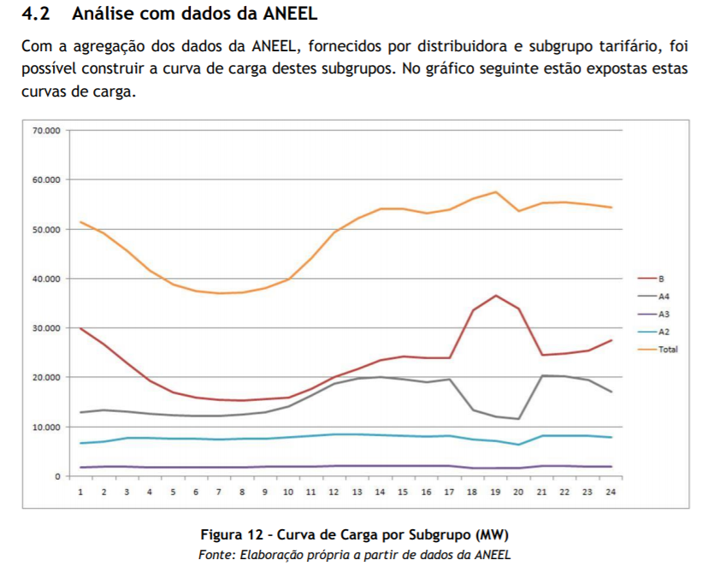
Region | Season |  | Summer/Typical day |  |  |  |  |  | http://www.ifba.edu.br/professores/armando/Eng531/Unid%20I/DEA%2001%20-%20Gera%C3%A7%C3%A3o%20Distribu%C3%ADda%20no%20Hor%C3%A1rio%20de%20Ponta.pdf
LAC | Time of the day | 1-4 | 5-8 | 9-12 | 13-16 | 17-20 | 21-24
LAC | Building (share) | 48% | 41% | 40% | 44% | 58% | 50%
LAC | Industry (share) | 52% | 59% | 60% | 56% | 42% | 50%
LAC | Total demand | 100% | 100% | 100% | 100% | 100% | 100%

Data available | Season |  | Summer/Typical day
LAC | Time of the day | 1-4 | 5-8 | 9-12 | 13-16 | 17-20 | 21-24
LAC | Building (share)
LAC | Industry (share)
LAC | Total demand

 | Building | All | Building | Industrial | Building | Industrial | Building | Industrial
0 | 29.85124 | 51.603306 | 29.85124 | 21.752066 |  |  | 0.48348744469 | 0.51651255531
1 | 25.801653 | 49.173553 | 25.801653 | 23.3719 | 0.48348744469 | 0.51651255531 | 0.41230771354 | 0.58769228646
2 | 22.793388 | 45.586777 | 22.793388 | 22.793389 |  |  | 0.40335612829 | 0.59664387171
3 | 19.322313 | 41.53719 | 19.322313 | 22.214877 |  |  | 0.44182307531 | 0.55817692469
4 | 16.77686 | 38.876034 | 16.77686 | 22.099174 |  |  | 0.57935684878 | 0.42064315122
5 | 15.735538 | 37.487602 | 15.735538 | 21.752064 | 0.41230771354 | 0.58769228646 | 0.49652220489 | 0.50347779511
6 | 15.272727 | 37.02479 | 15.272727 | 21.752063
7 | 15.272727 | 37.950413 | 15.272727 | 22.677686
8 | 15.735538 | 37.950413 | 15.735538 | 22.214875
9 | 15.735538 | 39.917355 | 15.735538 | 24.181817 | 0.40335612829 | 0.59664387171
10 | 17.818182 | 44.545456 | 17.818182 | 26.727274
11 | 20.247934 | 49.52066 | 20.247934 | 29.272726
12 | 21.289257 | 52.18182 | 21.289257 | 30.892563
13 | 23.3719 | 54.26446 | 23.3719 | 30.89256 | 0.44182307531 | 0.55817692469
14 | 24.297522 | 54.26446 | 24.297522 | 29.966938
15 | 23.834711 | 53.107437 | 23.834711 | 29.272726
16 | 23.834711 | 54.14876 | 23.834711 | 30.314049
17 | 33.900826 | 56.115704 | 33.900826 | 22.214878 | 0.57935684878 | 0.42064315122
18 | 36.561985 | 57.619835 | 36.561985 | 21.05785
19 | 33.900826 | 53.68595 | 33.900826 | 19.785124
20 | 24.876034 | 55.652893 | 24.876034 | 30.776859
21 | 24.876034 | 55.190083 | 24.876034 | 30.314049 | 0.49652220489 | 0.50347779511
22 | 25.338842 | 55.190083 | 25.338842 | 29.851241
23 | 27.305784 | 54.26446 | 27.305784 | 26.958676

WEU
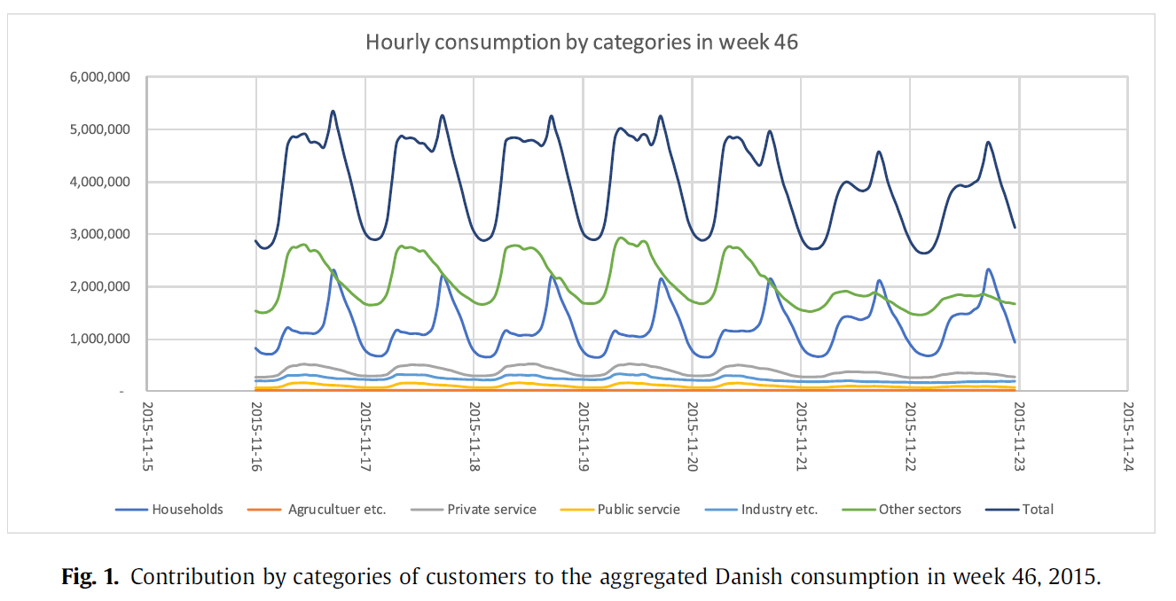
 |  |  |  |  |  |  |  |  | Paper: Long-term projections of the hourly electricity consumption in Danish municipalities
Region | Season |  | Autumn/Typical day |  | Weekday
WEU | Time of the day | 1-4 | 5-8 | 9-12 | 13-16 | 17-20 | 21-24
WEU | Building (share) | 30% | 30% | 28% | 34% | 46% | 35%
WEU | Industry (share) | 70% | 70% | 72% | 66% | 54% | 65%
WEU | Total demand | 100% | 100% | 100% | 100% | 100% | 100%

Data available | Season |  | Autumn/Typical day |  | Weekday
WEU | Time of the day | 1-4 | 5-8 | 9-12 | 13-16 | 17-20 | 21-24
WEU | Building (share)
WEU | Industry (share)
WEU | Total demand

Region | Season |  | Autumn/Typical day |  | Weekend
WEU | Time of the day | 1-4 | 5-8 | 9-12 | 13-16 | 17-20 | 21-24
WEU | Building (share) | 30% | 32% | 41% | 42% | 48% | 40%
WEU | Industry (share) | 70% | 68% | 59% | 58% | 52% | 60%
WEU | Total demand | 100% | 100% | 100% | 100% | 100% | 100%

Data available | Season |  | Autumn/Typical day |  | Weekend
WEU | Time of the day | 1-4 | 5-8 | 9-12 | 13-16 | 17-20 | 21-24
WEU | Building (share)
WEU | Industry (share)
WEU | Total demand

 | Monday Week 46 2015
 | Industry | Household | Private Sector | Industry other | Agriculture | Buildings | Industry | Buildings | Industry
0 | 1.5249511 | 0.8072407 | 0.27005872 | 0.19080235 | 0.054305285 | 0.861545985 | 1.770058735 |  |  | 0.30144637125 | 0.69855362875
1 | 1.5029354 | 0.7544031 | 0.2832681 | 0.19080235 | 0.054305285 | 0.808708385 | 1.748043035 | 0.30144637125 | 0.69855362875 | 0.30159325138 | 0.69840674862
2 | 1.5029354 | 0.6927593 | 0.27005872 | 0.19080235 | 0.054305285 | 0.747064585 | 1.748043035 |  |  | 0.27963299043 | 0.72036700957
3 | 1.5381604 | 0.6927593 | 0.27005872 | 0.19080235 | 0.054305285 | 0.747064585 | 1.783268035 |  |  | 0.34263244993 | 0.65736755007
4 | 1.6174169 | 0.7323875 | 0.27005872 | 0.20841487 | 0.054305285 | 0.786692785 | 1.880137055 |  |  | 0.45859819626 | 0.54140180374
5 | 1.8111546 | 0.82485324 | 0.32289627 | 0.23043053 | 0.07191781 | 0.89677105 | 2.11350294 | 0.30159325138 | 0.69840674862 | 0.35476246431 | 0.64523753569
6 | 2.2514677 | 1.1154599 | 0.40215263 | 0.26565558 | 0.09393346 | 1.20939336 | 2.61105674
7 | 2.6169276 | 1.2123288 | 0.45939335 | 0.28767124 | 0.13356164 | 1.34589044 | 3.03816048
8 | 2.7358122 | 1.1374755 | 0.481409 | 0.30528376 | 0.13356164 | 1.27103714 | 3.1746576
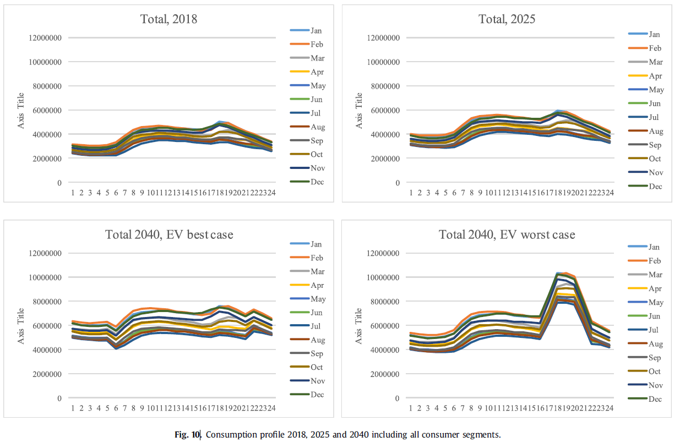
9 | 2.771037 | 1.119863 | 0.49902153 | 0.30528376 | 0.13356164 | 1.25342464 | 3.2098824 | 0.27963299043 | 0.72036700957
10 | 2.793053 | 1.0978473 | 0.52103716 | 0.30528376 | 0.13356164 | 1.23140894 | 3.2318984
11 | 2.7754402 | 1.0978473 | 0.49902153 | 0.30528376 | 0.15117417 | 1.24902147 | 3.23189813
12 | 2.696184 | 1.0978473 | 0.49902153 | 0.28767124 | 0.13356164 | 1.23140894 | 3.11741688
13 | 2.696184 | 1.1154599 | 0.49902153 | 0.28767124 | 0.13356164 | 1.24902154 | 3.11741688 | 0.34263244993 | 0.65736755007
14 | 2.5817025 | 1.1903131 | 0.481409 | 0.27005872 | 0.11594912 | 1.30626222 | 2.96771034
15 | 2.467221 | 1.3444227 | 0.45939335 | 0.25244617 | 0.11594912 | 1.46037182 | 2.83561629
16 | 2.3703523 | 1.9476516 | 0.44178084 | 0.25244617 | 0.11154599 | 2.05919759 | 2.73434446
17 | 2.2162426 | 2.3087084 | 0.4241683 | 0.23043053 | 0.11154599 | 2.42025439 | 2.55821912 | 0.45859819626 | 0.54140180374
18 | 2.1017613 | 2.0797455 | 0.41976517 | 0.23043053 | 0.11154599 | 2.19129149 | 2.44373782
19 | 2.026908 | 1.793542 | 0.3669276 | 0.23043053 | 0.09393346 | 1.88747546 | 2.35127199
20 | 1.9476516 | 1.5601761 | 0.34491193 | 0.23043053 | 0.09393346 | 1.65410956 | 2.27201559
21 | 1.8507828 | 1.3488258 | 0.3096869 | 0.23043053 | 0.07632094 | 1.42514674 | 2.15753427 | 0.35476246431 | 0.64523753569
22 | 1.7759296 | 1.119863 | 0.30528376 | 0.212818 | 0.07632094 | 1.19618394 | 2.06506854
23 | 1.7318982 | 0.8468689 | 0.28767124 | 0.212818 | 0.07632094 | 0.92318984 | 2.02103714

 | Monday Week 46 2015
 | Industry | Household | Private Sector | Industry other | Agriculture | Buildings | Industry | Buildings | Industry
0 | 1.5503744 | 0.8978065 | 0.26272953 | 0.18831316 | 0.07445301 | 0.97225951 | 1.81314057
1 | 1.5282749 | 0.7487081 | 0.26257375 | 0.18831316 | 0.07445301 | 0.82316111 | 1.79104107 | 0.29952206596 | 0.70047793404 | 0.29952206596 | 0.70047793404
2 | 1.5149804 | 0.6916177 | 0.262418 | 0.18831316 | 0.07445301 | 0.76607071 | 1.77774657 |  |  | 0.31709699543 | 0.68290300457
3 | 1.5279176 | 0.6695182 | 0.26217976 | 0.18831316 | 0.07445301 | 0.74397121 | 1.79068377 |  |  | 0.40767965536 | 0.59232034464
4 | 1.5671324 | 0.66935325 | 0.26201487 | 0.18831316 | 0.06945954 | 0.73881279 | 1.8249051 |  |  | 0.42211949913 | 0.57788050087
5 | 1.6107725 | 0.66916084 | 0.2618591 | 0.18831316 | 0.06945954 | 0.73862038 | 1.8685452 | 0.31709699543 | 0.68290300457 | 0.48278187865 | 0.51721812135
6 | 1.680681 | 0.72151434 | 0.32300842 | 0.18831316 | 0.06945954 | 0.79097388 | 1.9384537 |  |  | 0.39596054393 | 0.60403945607
7 | 1.833765 | 0.9140422 | 0.32280684 | 0.18831316 | 0.06945954 | 0.98350174 | 2.0915377
8 | 1.8729798 | 1.1460137 | 0.357642 | 0.18831316 | 0.06894646 | 1.21496016 | 2.13023942
9 | 1.8903424 | 1.3735508 | 0.3574496 | 0.18831316 | 0.06894646 | 1.44249726 | 2.14760202 | 0.40767965536 | 0.59232034464
10 | 1.9120753 | 1.4128022 | 0.357248 | 0.18831316 | 0.06894646 | 1.48174866 | 2.16933492
11 | 1.876837 | 1.4126098 | 0.35704643 | 0.18831316 | 0.06894646 | 1.48155626 | 2.13409662
12 | 1.837265 | 1.3949265 | 0.3568815 | 0.18831316 | 0.10751982 | 1.50244632 | 2.13309798
13 | 1.8151655 | 1.3596883 | 0.35667995 | 0.18831316 | 0.10751982 | 1.46720812 | 2.11099848 | 0.42211949913 | 0.57788050087
14 | 1.8149639 | 1.3726255 | 0.35648754 | 0.18831316 | 0.10751982 | 1.48014532 | 2.11079688
15 | 1.8322806 | 1.4293585 | 0.35628596 | 0.18831316 | 0.10751982 | 1.53687832 | 2.12811358
16 | 1.8715413 | 1.639423 | 0.35612103 | 0.18831316 | 0.0718051 | 1.7112281 | 2.13165956
17 | 1.836303 | 2.064078 | 0.3427807 | 0.18831316 | 0.0718051 | 2.1358831 | 2.09642126 | 0.48278187865 | 0.51721812135
18 | 1.7967309 | 1.9719144 | 0.33819956 | 0.18831316 | 0.0718051 | 2.0437195 | 2.05684916
19 | 1.7352517 | 1.7396313 | 0.3029704 | 0.18831316 | 0.0718051 | 1.8114364 | 1.99536996
20 | 1.704393 | 1.5116819 | 0.28528714 | 0.18831316 | 0.04858778 | 1.56026968 | 1.94129394
21 | 1.6253588 | 1.3713794 | 0.2851314 | 0.18831316 | 0.04858778 | 1.41996718 | 1.86225974 | 0.39596054393 | 0.60403945607
22 | 1.5814072 | 1.2397901 | 0.26303187 | 0.18831316 | 0.04858778 | 1.28837788 | 1.81830814
23 | 1.5286505 | 1.0294049 | 0.26286694 | 0.18831316 | 0.04858778 | 1.07799268 | 1.76555144

EEU
Region | Season | Summer/Typical day |  |  | GREECE
EEU | Time of the day | 1-4 | 5-8 | 9-12 | 13-16 | 17-20 | 21-24
EEU | Building (share) | 61% | 54% | 57% | 60% | 72% | 73%
EEU | Industry (share) | 39% | 46% | 43% | 40% | 28% | 27%
EEU | Total demand | 100% | 100% | 100% | 100% | 100% | 100%

Data available | Season | Summer/Typical day
EEU | Time of the day | 1-4 | 5-8 | 9-12 | 13-16 | 17-20 | 21-24
EEU | Building (share)
EEU | Industry (share)
EEU | Total demand

Region | Season | Summer/Typical day |  |  | GERMANY
EEU | Time of the day | 1-4 | 5-8 | 9-12 | 13-16 | 17-20 | 21-24
EEU | Building (share) | 37% | 39% | 43% | 39% | 60% | 58%
EEU | Industry (share) | 63% | 61% | 57% | 61% | 40% | 42%
EEU | Total demand | 100% | 100% | 100% | 100% | 100% | 100%

Data available | Season | Summer/Typical day
EEU | Time of the day | 1-4 | 5-8 | 9-12 | 13-16 | 17-20 | 21-24
EEU | Building (share)
EEU | Industry (share)
EEU | Total demand

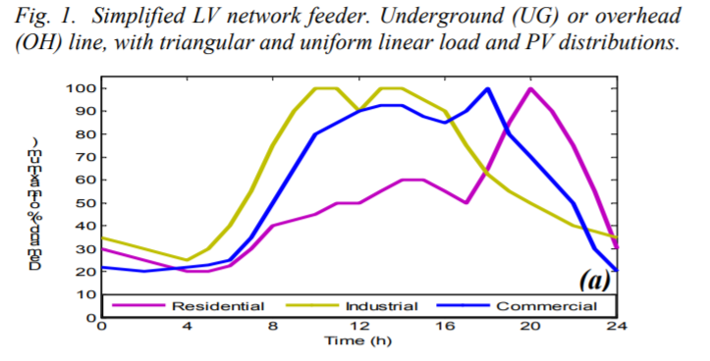
 | Commercioal | Residential | Industrial | Building | Industrial | Buildings | Industry |  |  | https://www.researchgate.net/publication/224593626_Benefits_from_DG_power_factor_regulation_in_LV_networks
0 | 21.413277 | 29.763842 | 34.26063 | 51.177119 | 34.26063 |  |  | 0.60571645322 | 0.39428354678
1 | 20.526766 | 27.16733 | 31.664118 | 47.694096 | 31.664118 | 0.60571645322 | 0.39428354678 | 0.54461824116 | 0.45538175884
2 | 19.646376 | 24.357296 | 29.708168 | 44.003672 | 29.708168 |  |  | 0.56957398305 | 0.43042601695
3 | 20.47354 | 21.544203 | 27.758947 | 42.017743 | 27.758947 |  |  | 0.60359481543 | 0.39640518457
4 | 22.160294 | 19.378403 | 24.948301 | 41.538697 | 24.948301 |  |  | 0.72229490796 | 0.27770509204
5 | 22.136433 | 19.352095 | 29.632915 | 41.488528 | 29.632915 | 0.54461824116 | 0.45538175884 | 0.72538849804 | 0.27461150196
6 | 24.892628 | 21.466503 | 39.88192 | 46.359131 | 39.88192
7 | 34.288162 | 29.57663 | 55.69838 | 63.864792 | 55.69838
8 | 47.3264 | 39.831142 | 74.517586 | 87.157542 | 74.517586
9 | 64.213524 | 42.5855 | 89.480576 | 106.799024 | 89.480576 | 0.56957398305 | 0.43042601695
10 | 79.175896 | 44.485775 | 100.58856 | 123.661671 | 100.58856
11 | 84.71398 | 49.172836 | 100.5647 | 133.886816 | 100.5647
12 | 89.40043 | 49.142857 | 89.39982 | 138.543287 | 89.39982
13 | 91.303764 | 54.684002 | 99.65188 | 145.987766 | 99.65188 | 0.60359481543 | 0.39640518457
14 | 92.13032 | 59.37045 | 99.62741 | 151.50077 | 99.62741
15 | 85.68308 | 59.341084 | 93.171616 | 145.024164 | 93.171616
16 | 84.79658 | 53.960846 | 89.29275 | 138.757426 | 89.29275
17 | 90.12053 | 49.223618 | 75.35026 | 139.344148 | 75.35026 | 0.72229490796 | 0.27770509204
18 | 98.66198 | 63.11777 | 62.261242 | 161.77975 | 62.261242
19 | 80.8651 | 82.78862 | 55.596817 | 163.65372 | 55.596817
20 | 68.627106 | 98.60753 | 49.785255 | 167.234636 | 49.785255
21 | 57.46528 | 88.516975 | 43.331905 | 145.982255 | 43.331905 | 0.66949440038 | 0.33050559962
22 | 49.087795 | 75.21383 | 39.66779 | 124.301625 | 39.66779
23 | 29.363108 | 55.706333 | 36.640564 | 85.069441 | 36.640564

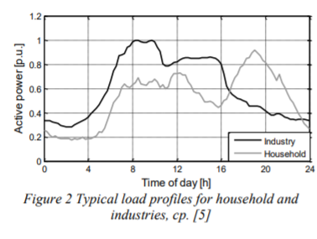
 | Industry | Household |  | Building | Industry | Building | Industry |  |  | https://www.researchgate.net/publication/337114201_INFLUENCE_OF_ELECTRIC_MOBILITY_ON_MEDIUM-AND_LOW-VOLTAGE_POWER_GRIDS
0 | 0.3398693 | 0.25490198 |  |  |  | 0.3680884614 | 0.6319115386
1 | 0.3267974 | 0.20261438 |  | 0.3680884614 | 0.6319115386 | 0.39207360963 | 0.60792639037
2 | 0.29738563 | 0.18627451 |  |  |  | 0.42646284105 | 0.57353715895
3 | 0.3137255 | 0.18627451 |  |  |  | 0.39258386618 | 0.60741613382
4 | 0.36928105 | 0.18627451 |  |  |  | 0.60349288109 | 0.39650711891
5 | 0.47058824 | 0.24183007 |  | 0.39207360963 | 0.60792639037 | 0.57999999598 | 0.42000000402
6 | 0.5686275 | 0.39869282
7 | 0.79738563 | 0.5424837
8 | 0.9705882 | 0.627451
9 | 0.9836601 | 0.627451 |  | 0.42646284105 | 0.57353715895
10 | 0.9313725 | 0.66993463
11 | 0.8137255 | 0.61764705
12 | 0.82679737 | 0.72875816
13 | 0.84313726 | 0.66013074 |  | 0.39258386618 | 0.60741613382
14 | 0.85620916 | 0.5588235
15 | 0.85620916 | 0.4869281
16 | 0.8169935 | 0.4738562
17 | 0.6143791 | 0.6143791 |  | 0.60349288109 | 0.39650711891
18 | 0.5163399 | 0.73202616
19 | 0.45751634 | 0.872549
20 | 0.41503268 | 0.83006537
21 | 0.39869282 | 0.70261437 |  | 0.57999999598 | 0.42000000402
22 | 0.35947713 | 0.5882353
23 | 0.34313726 | 0.44444445

FSU
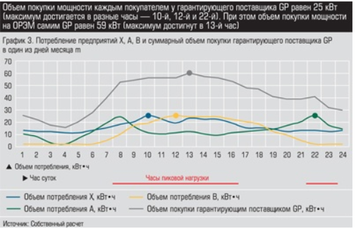
Region | Season | Summer/Typical day |  |  |  |  |  | http://www.acexpert.ru/archive/43-441/sledi-konkurencii.html
FSU | Time of the day | 1-4 | 5-8 | 9-12 | 13-16 | 17-20 | 21-24
FSU | Building (share) | 38% | 62% | 60% | 63% | 67% | 59%
FSU | Industry (share) | 62% | 38% | 40% | 37% | 33% | 41%
FSU | Total demand | 100% | 100% | 100% | 100% | 100% | 100%

Data available | Season | Summer/Typical day
FSU | Time of the day | 1-4 | 5-8 | 9-12 | 13-16 | 17-20 | 21-24
FSU | Building (share)
FSU | Industry (share)
FSU | Total demand

 | Industry | Residential | Comercial | Building | Industry | Building | Industry
1 | 13.351358 | 10.681059 | 1.716481 |  |  | 0.38091320284 | 0.61908679716
2 | 12.406235 | 9.163728 | 1.9157717 | 0.38091320284 | 0.61908679716 | 0.61506958272 | 0.38493041728
3 | 12.41479 | 4.0207367 | 1.9237658 |  |  | 0.59744700677 | 0.40255299323
4 | 11.659281 | 1.5495872 | 1.93176 |  |  | 0.63027345537 | 0.36972654463
5 | 10.904331 | 6.7087073 | 1.9408759 |  |  | 0.6651431119 | 0.3348568881
6 | 13.393713 | 13.202977 | 1.9488701 | 0.61506958272 | 0.38493041728 | 0.59261038856 | 0.40738961144
7 | 15.690536 | 19.122515 | 5.199932
8 | 18.368689 | 25.043877 | 10.166493
9 | 20.856949 | 15.89782 | 18.56798
10 | 26.014807 | 11.709489 | 18.575974 | 0.59744700677 | 0.40255299323
11 | 22.590118 | 10.764505 | 22.589417
12 | 19.16487 | 10.963235 | 25.268974
13 | 23.560907 | 11.9247675 | 23.751642
14 | 22.424486 | 10.216842 | 24.331284 | 0.63027345537 | 0.36972654463
15 | 22.431921 | 9.271718 | 24.339136
16 | 19.389265 | 11.760538 | 22.63121
17 | 15.201074 | 12.531335 | 20.350937
18 | 15.780714 | 12.728943 | 19.405252 | 0.6651431119 | 0.3348568881
19 | 14.263384 | 14.262682 | 12.928234
20 | 12.555317 | 17.70476 | 9.312811
21 | 13.326254 | 20.19274 | 4.5525527
22 | 13.334249 | 25.924067 | 2.0814033 | 0.59261038856 | 0.40738961144
23 | 12.580562 | 17.730286 | 2.0899584
24 | 13.542094 | 14.496474 | 2.0979524

AFR
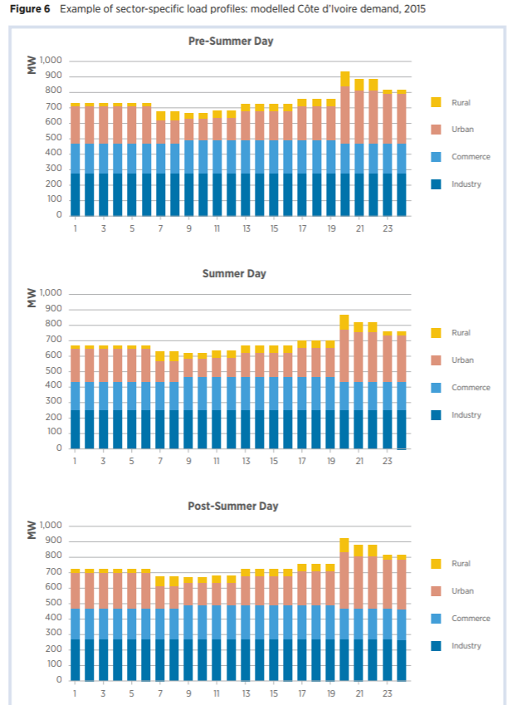
Region | Season | Summer/Typical day |  |  |  |  |  |  | https://www.irena.org/-/media/Files/IRENA/Agency/Publication/2018/Nov/IRENA_Planning_West_Africa_2018.pdf
AFR | Time of the day | 1-4 | 5-8 | 9-12 | 13-16 | 17-20 | 21-24
AFR | Building (share) | 62% | 60% | 61% | 63% | 67% | 67%
AFR | Industry (share) | 38% | 40% | 39% | 37% | 33% | 33%
AFR | Total demand | 100% | 100% | 100% | 100% | 100% | 100%

Data available | Season | Summer/Typical day
AFR | Time of the day | 1-4 | 5-8 | 9-12 | 13-16 | 17-20 | 21-24
AFR | Building (share)
AFR | Industry (share)
AFR | Total demand

Winter | Industry | Building |  |  | Summer | Industry | All | Buildings | Industry | Buildings | Industry | Buildings | Industry
0 | 279.06976 | 731.50104 | 279.06976 | 452.43128 | 0 | 252 | 667.05884 | 415.05884 | 252 |  |  | 0.62222223155 | 0.37777776845
1 | 279.06976 | 731.50104 | 279.06976 | 452.43128 | 1 | 252 | 667.05884 | 415.05884 | 252 | 0.62222223155 | 0.37777776845 | 0.60432252829 | 0.39567747171
2 | 279.06976 | 731.50104 | 279.06976 | 452.43128 | 2 | 252 | 667.05884 | 415.05884 | 252 |  |  | 0.60790774309 | 0.39209225691
3 | 279.06976 | 731.50104 | 279.06976 | 452.43128 | 3 | 252 | 667.05884 | 415.05884 | 252 |  |  | 0.62637363566 | 0.37362636434
4 | 279.06976 | 731.50104 | 279.06976 | 452.43128 | 4 | 252 | 667.05884 | 415.05884 | 252 |  |  | 0.67441860886 | 0.32558139114
5 | 279.06976 | 731.50104 | 279.06976 | 452.43128 | 5 | 252 | 667.05884 | 415.05884 | 252 | 0.60432252829 | 0.39567747171 | 0.66526019939 | 0.33473980061
6 | 279.06976 | 678.6469 | 279.06976 | 399.57714 | 6 | 252 | 628.94116 | 376.94116 | 252
7 | 279.06976 | 678.6469 | 279.06976 | 399.57714 | 7 | 252 | 628.94116 | 376.94116 | 252
8 | 279.06976 | 668.0761 | 279.06976 | 389.00634 | 8 | 252 | 622.58826 | 370.58826 | 252
9 | 279.06976 | 668.0761 | 279.06976 | 389.00634 | 9 | 252 | 622.58826 | 370.58826 | 252 | 0.60790774309 | 0.39209225691
10 | 279.06976 | 684.98944 | 279.06976 | 405.91968 | 10 | 252 | 641.64703 | 389.64703 | 252
11 | 279.06976 | 684.98944 | 279.06976 | 405.91968 | 11 | 252 | 639.5294 | 387.5294 | 252
12 | 279.06976 | 731.50104 | 279.06976 | 452.43128 | 12 | 252 | 667.05884 | 415.05884 | 252
13 | 279.06976 | 731.50104 | 279.06976 | 452.43128 | 13 | 252 | 667.05884 | 415.05884 | 252 | 0.62637363566 | 0.37362636434
14 | 279.06976 | 731.50104 | 279.06976 | 452.43128 | 14 | 252 | 667.05884 | 415.05884 | 252
15 | 279.06976 | 731.50104 | 279.06976 | 452.43128 | 15 | 252 | 667.05884 | 415.05884 | 252
16 | 279.06976 | 758.9852 | 279.06976 | 479.91544 | 16 | 252 | 696.7059 | 444.7059 | 252
17 | 279.06976 | 758.9852 | 279.06976 | 479.91544 | 17 | 252 | 703.05884 | 451.05884 | 252 | 0.67441860886 | 0.32558139114
18 | 279.06976 | 758.9852 | 279.06976 | 479.91544 | 18 | 252 | 696.7059 | 444.7059 | 252
19 | 279.06976 | 936.5751 | 279.06976 | 657.50534 | 19 | 252 | 872.4706 | 620.4706 | 252
20 | 279.06976 | 887.9493 | 279.06976 | 608.87954 | 20 | 252 | 823.7647 | 571.7647 | 252
21 | 279.06976 | 887.9493 | 279.06976 | 608.87954 | 21 | 252 | 823.7647 | 571.7647 | 252 | 0.66526019939 | 0.33473980061
22 | 279.06976 | 824.5243 | 279.06976 | 545.45454 | 22 | 252 | 760.2353 | 508.2353 | 252
23 | 279.06976 | 824.5243 | 279.06976 | 545.45454 | 23 | 252 | 760.2353 | 508.2353 | 252

MEA
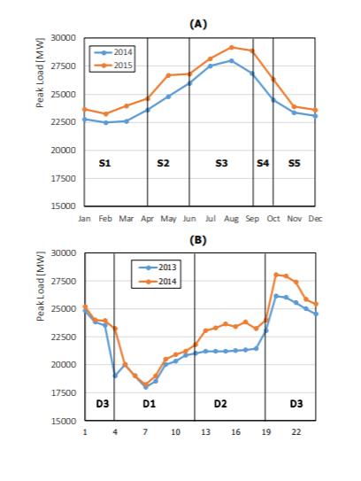
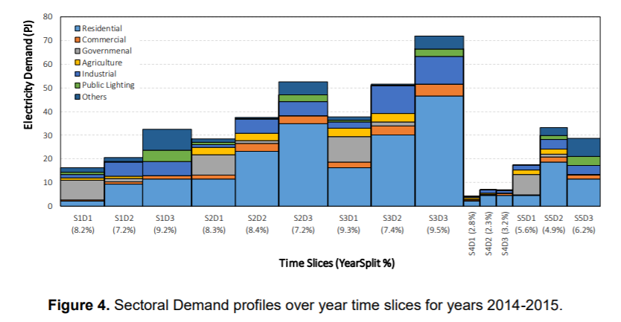
Region | Season |  |  | Winter |  |  |  |  | Modeling for Power Generation Sector in Developing Countries: Case of Egypt
MEA | Time of the day | 1-4 | 5-8 | 9-12 | 13-16 | 17-20 | 21-24
MEA | Building (share) | 39% | 67% | 67% | 57% | 57% | 39%
MEA | Industry (share) | 61% | 33% | 33% | 43% | 43% | 61%
MEA | Total demand | 100% | 100% | 100% | 100% | 100% | 100%

Data available | Season
MEA | Time of the day | 1-4 | 5-8 | 9-12 | 13-16 | 17-20 | 21-24
MEA | Building (share)
MEA | Industry (share)
MEA | Total demand

Region | Season |  |  | Summer
MEA | Time of the day | 1-4 | 5-8 | 9-12 | 13-16 | 17-20 | 21-24
MEA | Building (share) | 71% | 76% | 76% | 69% | 69% | 71%
MEA | Industry (share) | 29% | 24% | 24% | 31% | 31% | 29%
MEA | Total demand | 100% | 100% | 100% | 100% | 100% | 100%

Data available | Season |  |  | Summer
MEA | Time of the day | 1-4 | 5-8 | 9-12 | 13-16 | 17-20 | 21-24
MEA | Building (share)
MEA | Industry (share)
MEA | Total demand

Winter S1 | Building | All | Building | Industry | Building | Industry | Building | Industry
D1 Morning (4am-12pm) | 11.017115 | 16.528925 | 11.017115 | 5.51181 | 0.6665354825 | 0.3334645175 | 0.6665354825 | 0.3334645175
D2 Afteroon (12pm-7pm) | 11.793128 | 20.769506 | 11.793128 | 8.976378 | 0.56780974954 | 0.43219025046 | 0.56780974954 | 0.43219025046
D3 Evening (7pm-4am) | 12.568166 | 32.410686 | 12.568166 | 19.84252 | 0.38777846294 | 0.61222153706 | 0.38777846294 | 0.61222153706

Summer S3 | Building | All | Building | Industry
D1 Morning (4am-12pm) | 28.891998 | 37.868378 | 28.891998 | 8.97638 | 0.76295842404 | 0.23704157596 | 0.76295842404 | 0.23704157596
D2 Afteroon (12pm-7pm) | 35.8079 | 51.55593 | 35.8079 | 15.74803 | 0.69454474005 | 0.30545525995 | 0.69454474005 | 0.30545525995
D3 Evening (7pm-4am) | 51.701046 | 72.330536 | 51.701046 | 20.62949 | 0.71478864749 | 0.28521135251 | 0.71478864749 | 0.28521135251

SAS
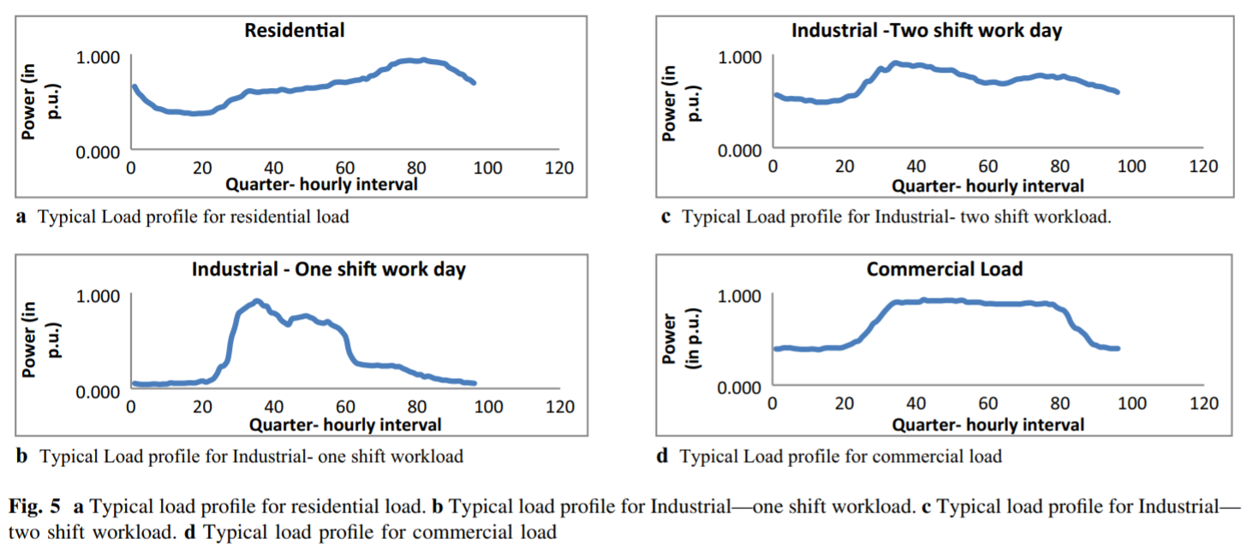
Region | Season | Summer/Typical day |  |  |  |  |  | https://link.springer.com/article/10.1007/s13198-019-00891-w#citeas
SAS | Time of the day | 1-4 | 5-8 | 9-12 | 13-16 | 17-20 | 21-24
SAS | Building (share) | 45% | 41% | 38% | 45% | 52% | 49%
SAS | Industry (share) | 55% | 59% | 62% | 55% | 48% | 51%
SAS | Total demand | 100% | 100% | 100% | 100% | 100% | 100%

Data available | Season | Summer/Typical day
SAS | Time of the day | 1-4 | 5-8 | 9-12 | 13-16 | 17-20 | 21-24
SAS | Building (share)
SAS | Industry (share)
SAS | Total demand

 | Residential | Industry - 1 | Industry - 2 | Commercial
1 | 0.662027 | 0.057142857 | 0.57664233 | 0.3812605
2 | 0.49329644 | 0.057142857 | 0.540146 | 0.40145284
3 | 0.44417849 | 0.057142857 | 0.5182482 | 0.40022823
4 | 0.39506054 | 0.057142857 | 0.5182482 | 0.39878094
5 | 0.37429264 | 0.057142857 | 0.48175183 | 0.39755633
6 | 0.37472156 | 0.057142857 | 0.4890511 | 0.46080518
7 | 0.45959184 | 0.21428572 | 0.57664233 | 0.5891398
8 | 0.50554827 | 0.5285714 | 0.7080292 | 0.73922545
9 | 0.5515047 | 0.80714285 | 0.8613139 | 0.8680054
10 | 0.58720165 | 0.857142875 | 0.8978102 | 0.895782
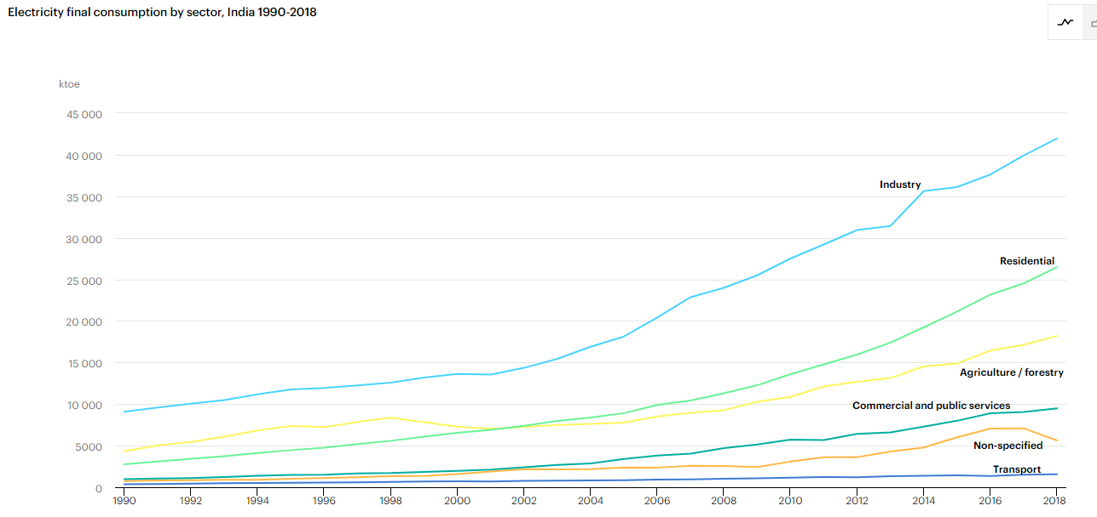
11 | 0.64397097 | 0.9071429 | 0.8686131 | 0.8948357
12 | 0.64438605 | 0.8142857 | 0.8686131 | 0.89338845
13 | 0.658664825 | 0.74285716 | 0.8686131 | 0.8921638
14 | 0.6729436 | 0.74285716 | 0.8394161 | 0.89071655
15 | 0.7367278 | 0.6571429 | 0.8029197 | 0.8681306
16 | 0.73721206 | 0.5 | 0.74452555 | 0.86690605
17 | 0.8291387 | 0.25 | 0.7080292 | 0.8656814
18 | 0.9212314 | 0.25 | 0.7080292 | 0.86423415
19 | 0.921349025 | 0.25 | 0.7080292 | 0.86250854
20 | 0.92146665 | 0.25 | 0.76642334 | 0.7962538
21 | 0.90071255 | 0.12857144 | 0.76642334 | 0.60846937
22 | 0.80946386 | 0.12857144 | 0.76642334 | 0.4777968
23 | 0.7463715 | 0.12857144 | 0.76642334 | 0.38281915
24 | 0.6832376 | 0.12857144 | 0.7080292 | 0.3815945
 | 0.2551390593 | 0.17896009399 | 0.40145102938 | 0.16444981733 | 1

Industry | Residential | Agriculture | Commercial and public services | Non-specific | Transport | Total
42.084507 | 26.746479 | 18.760563 | 9.887324 | 5.5774646 | 1.7746478 | 104.8309854

 | Building | Industry | Building | Industry | Building | Industry
1 | 0.23160716559 | 0.24171994802 |  |  | 0.44603164138 | 0.55396835862
2 | 0.19187803586 | 0.22706845878 | 0.44603164138 | 0.55396835862 | 0.40597755828 | 0.59402244172
3 | 0.17914474141 | 0.21827756443 |  |  | 0.38158909551 | 0.61841090449
4 | 0.16637482728 | 0.21827756443 |  |  | 0.45039209202 | 0.54960790798
5 | 0.16087473792 | 0.20362605912 |  |  | 0.51951265939 | 0.48048734061
6 | 0.17138543399 | 0.20655635858 | 0.40597755828 | 0.59402244172 | 0.49390876228 | 0.50609123772
7 | 0.21414376221 | 0.26984224956
8 | 0.25055060026 | 0.3788322386
9 | 0.28345371983 | 0.49022171207
10 | 0.29712926287 | 0.51382119845 | 0.38158909551 | 0.61841090449
11 | 0.31145771491 | 0.51104800177
12 | 0.31132561803 | 0.49443026853
13 | 0.31476729778 | 0.4816474103
14 | 0.31817237101 | 0.4699262446 | 0.45039209202 | 0.54960790798
15 | 0.33073195644 | 0.43993529522
16 | 0.33065413306 | 0.38837059544
17 | 0.35390681604 | 0.32897907467
18 | 0.37716526089 | 0.32897907467 | 0.51951265939 | 0.48048734061
19 | 0.37691149537 | 0.32897907467
20 | 0.36604592622 | 0.35242146228
21 | 0.32986962945 | 0.33069059577
22 | 0.28509944426 | 0.33069059577 | 0.49390876228 | 0.50609123772
23 | 0.25338306168 | 0.33069059577
24 | 0.23707374436 | 0.30724820816

CPA
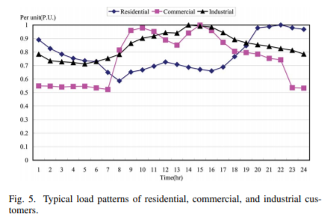
Region | Season | Summer/Typical day
CPA | Time of the day | 1-4 | 5-8 | 9-12 | 13-16 | 17-20 | 21-24
CPA | Building (share) | 27% | 25% | 24% | 23% | 27% | 27%
CPA | Industry (share) | 73% | 75% | 76% | 77% | 73% | 73%
CPA | Total demand | 100% | 100% | 100% | 100% | 100% | 100%

Data available | Season | Summer/Typical day
CPA | Time of the day | 1-4 | 5-8 | 9-12 | 13-16 | 17-20 | 21-24
CPA | Building (share)
CPA | Industry (share)
CPA | Total demand

 | Commercial | Industry | Residential
1 | 0.5482456 | 0.7785088 | 0.89254385
2 | 0.5482456 | 0.73245615 | 0.8267544
3 | 0.5482456 | 0.7214912 | 0.7872807
4 | 0.5482456 | 0.7214912 | 0.75877196
5 | 0.5482456 | 0.7105263 | 0.74122804
6 | 0.5394737 | 0.7302632 | 0.7280702
7 | 0.5263158 | 0.75877196 | 0.6535088
8 | 0.81578946 | 0.7785088 | 0.5877193
9 | 0.9583333 | 0.86622804 | 0.6513158
10 | 0.9868421 | 0.9035088 | 0.6644737
11 | 0.9517544 | 0.9232456 | 0.6995614
12 | 0.89254385 | 0.94298244 | 0.7280702
13 | 0.8552632 | 0.9517544 | 0.7127193
14 | 0.9385965 | 1 | 0.69078946
15 | 0.997807 | 0.99122804 | 0.6732456
16 | 0.9583333 | 0.98245615 | 0.6535088
17 | 0.872807 | 0.9451754 | 0.69078946
18 | 0.80701756 | 0.88596493 | 0.76754385
19 | 0.7982456 | 0.8684211 | 0.84429824
20 | 0.7872807 | 0.8486842 | 0.9780702
21 | 0.75877196 | 0.8377193 | 0.997807
22 | 0.75 | 0.82894737 | 0.997807
23 | 0.54605263 | 0.81798244 | 0.9802632
24 | 0.5394737 | 0.78070176 | 0.96929824

 | Industry | Residential | Non-Specific | Agriculture | Transport | Total
 | 319.61603 | 84.72454 | 53.75626 | 35.64274 | 10.5175295 | 504.2570995

 | Building | Industry | Building | Industry | Building | Industry
1 | 0.20840955981 | 0.56471206508 |  |  | 0.2655752419 | 0.7344247581
2 | 0.19735571269 | 0.53130655049 | 0.2655752419 | 0.7344247581 | 0.24635436318 | 0.75364563682
3 | 0.19072339938 | 0.52335283235 |  |  | 0.24251280883 | 0.75748719117
4 | 0.1859334026 | 0.52335283235 |  |  | 0.2315789366 | 0.7684210634
5 | 0.18298569883 | 0.51539915049 |  |  | 0.27331982066 | 0.72668017934
6 | 0.17983981059 | 0.52971583587 | 0.24635436318 | 0.75364563682 | 0.27099264541 | 0.72900735459
7 | 0.16590941711 | 0.55039542322
8 | 0.18571486202 | 0.56471206508
9 | 0.21159611971 | 0.628341549
10 | 0.21684606759 | 0.65538413987 | 0.24251280883 | 0.75748719117
11 | 0.21900093208 | 0.66970075272
12 | 0.21747880625 | 0.68401739458
13 | 0.21092527184 | 0.69038036908
14 | 0.21612438741 | 0.72537659829 | 0.2315789366 | 0.7684210634
15 | 0.21948882108 | 0.71901362379
16 | 0.21196458436 | 0.71265070006
17 | 0.20911090664 | 0.68560811644
18 | 0.21499359257 | 0.64265822713 | 0.27331982066 | 0.72668017934
19 | 0.22695461926 | 0.6299323434
20 | 0.24826187655 | 0.61561565802
21 | 0.24853885443 | 0.60766197616
22 | 0.24760372082 | 0.60129902341 | 0.27099264541 | 0.72900735459
23 | 0.22291425537 | 0.59334531979
24 | 0.22037059289 | 0.56630278695

PAS
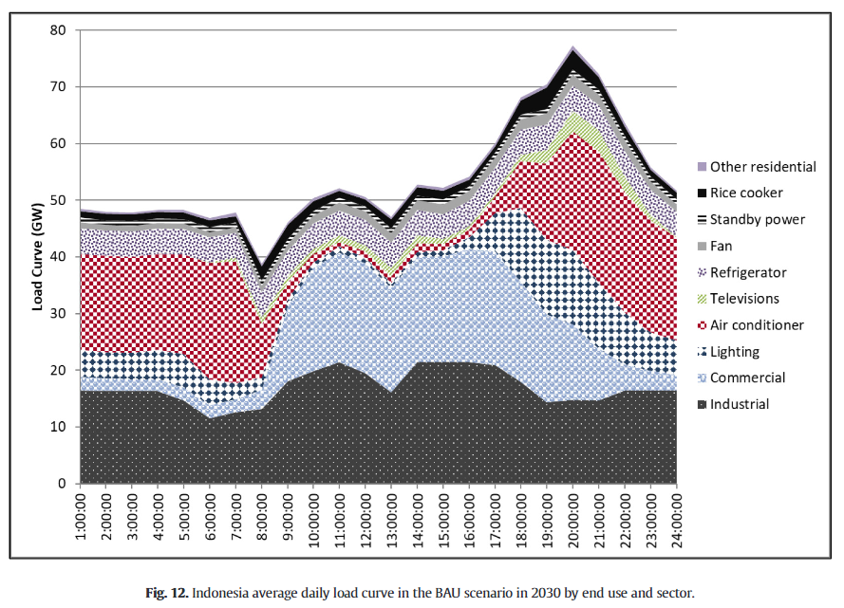
Region | Season | Summer/Typical day |  |  |  |  |  |  | https://www.sciencedirect.com/science/article/pii/S0973082618312559
PAS | Time of the day | 1-4 | 5-8 | 9-12 | 13-16 | 17-20 | 21-24
PAS | Building (share) | 67% | 69% | 61% | 64% | 78% | 70%
PAS | Industry (share) | 33% | 31% | 39% | 36% | 22% | 30%
PAS | Total demand | 100% | 100% | 100% | 100% | 100% | 100%

Data available | Season | Summer/Typical day
PAS | Time of the day | 1-4 | 5-8 | 9-12 | 13-16 | 17-20 | 21-24
PAS | Building (share)
PAS | Industry (share)
PAS | Total demand

 | Indsutry | All | Building | Industry | Building | Industry
0 | 16.26741 | 48.802227 | 32.534817 | 16.26741
1 | 16.26741 | 47.910862 | 31.643452 | 16.26741 | 0.67013887078 | 0.32986112922 | 0.67013887078 | 0.32986112922
2 | 16.26741 | 47.910862 | 31.643452 | 16.26741 |  |  | 0.68941765777 | 0.31058234223
3 | 16.26741 | 48.356544 | 32.089134 | 16.26741 |  |  | 0.61430966957 | 0.38569033043
4 | 14.7075205 | 48.356544 | 33.6490235 | 14.7075205 |  |  | 0.63787374624 | 0.36212625376
5 | 11.3649025 | 46.462395 | 35.0974925 | 11.3649025 | 0.68941765777 | 0.31058234223 | 0.78198128659 | 0.21801871341
6 | 12.70195 | 47.35376 | 34.65181 | 12.70195 |  |  | 0.6974833072 | 0.3025166928
7 | 13.147633 | 38.10585 | 24.958217 | 13.147633
8 | 18.050138 | 46.016712 | 27.966574 | 18.050138
9 | 19.498608 | 49.805016 | 30.306408 | 19.498608 | 0.61430966957 | 0.38569033043
10 | 21.504179 | 52.256268 | 30.752089 | 21.504179
11 | 19.610027 | 50.362118 | 30.752091 | 19.610027
12 | 16.26741 | 46.908077 | 30.640667 | 16.26741
13 | 20.947075 | 52.256268 | 31.309193 | 20.947075 | 0.63787374624 | 0.36212625376
14 | 21.949862 | 54.150417 | 32.200555 | 21.949862
15 | 21.058496 | 60.05571 | 38.997214 | 21.058496
16 | 21.058496 | 68.300835 | 47.242339 | 21.058496
17 | 18.16156 | 69.860725 | 51.699165 | 18.16156 | 0.78198128659 | 0.21801871341
18 | 14.7075205 | 77.103065 | 62.3955445 | 14.7075205
19 | 14.7075205 | 72.75766 | 58.0501395 | 14.7075205
20 | 14.7075205 | 65.961006 | 51.2534855 | 14.7075205
21 | 16.155989 | 61.058495 | 44.902506 | 16.155989 | 0.6974833072 | 0.3025166928
22 | 16.601671 | 55.264626 | 38.662955 | 16.601671
23 | 16.601671 | 51.810585 | 35.208914 | 16.601671

PAO
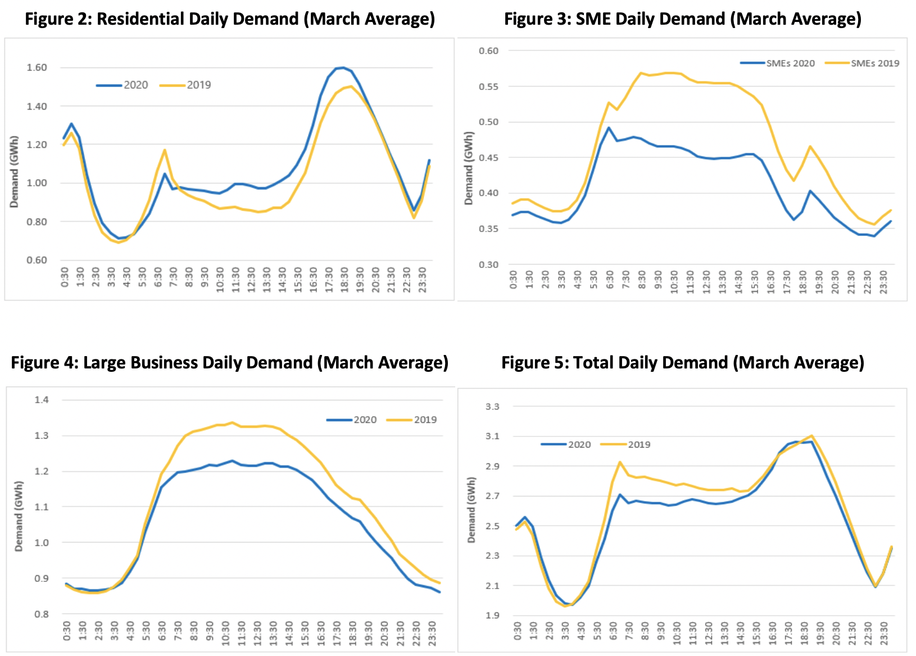
Region | Season | Summer/Typical day |  |  | Australia |  |  |  | https://www.energynetworks.com.au/news/energy-insider/2020-energy-insider/commercial-down-v-residential-up-covid-19s-electricity-impact/
PAO | Time of the day | 1-4 | 5-8 | 9-12 | 13-16 | 17-20 | 21-24
PAO | Building (share) | 59% | 55% | 52% | 54% | 62% | 60%
PAO | Industry (share) | 41% | 45% | 48% | 46% | 38% | 40%
PAO | Total demand | 100% | 100% | 100% | 100% | 100% | 100%

Data available | Season | Summer/Typical day |  |  | Australia
PAO | Time of the day | 1-4 | 5-8 | 9-12 | 13-16 | 17-20 | 21-24
PAO | Building (share)
PAO | Industry (share)
PAO | Total demand

Region | Season | Summer/Typical day |  |  | Japan
PAO | Time of the day | 1-4 | 5-8 | 9-12 | 13-16 | 17-20 | 21-24
PAO | Building (share) | 61% | 61% | 63% | 64% | 69% | 70%
PAO | Industry (share) | 39% | 39% | 37% | 36% | 31% | 30%
PAO | Total demand | 100% | 100% | 100% | 100% | 100% | 100%

Data available | Season | Summer/Typical day |  |  | Japan
PAO | Time of the day | 1-4 | 5-8 | 9-12 | 13-16 | 17-20 | 21-24
PAO | Building (share)
PAO | Industry (share)
PAO | Total demand

 | Residential | Large Business | Small Business | Building | Industry | Building | Industry | Building | Industry
0 | 1.19176025 | 0.88191332429 | 0.38651877 | 1.57827902 | 0.88191332429 |  |  | 0.585013713 | 0.414986287
1 | 1.19176025 | 0.85849286 | 0.39112628 | 1.58288653 | 0.85849286 | 0.585013713 | 0.414986287 | 0.55096606819 | 0.44903393181
2 | 0.8153558 | 0.85862550286 | 0.37576792 | 1.19112372 | 0.85862550286 |  |  | 0.52151422018 | 0.47848577982
3 | 0.70861423125 | 0.87617677143 | 0.37576792 | 1.0843821513 | 0.87617677143 |  |  | 0.53763673108 | 0.46236326892
4 | 0.70861423125 | 0.92236154429 | 0.3890785 | 1.0976927312 | 0.92236154429 |  |  | 0.62371147997 | 0.37628852003
5 | 0.8153558 | 1.0515046357 | 0.44488055 | 1.26023635 | 1.0515046357 | 0.55096606819 | 0.44903393181 | 0.60107003433 | 0.39892996567
6 | 1.0288389375 | 1.1908899286 | 0.5278157 | 1.5566546375 | 1.1908899286
7 | 1.0606741687 | 1.2678162714 | 0.52832765 | 1.5890018187 | 1.2678162714
8 | 0.9389513125 | 1.3068457143 | 0.56569965 | 1.5046509625 | 1.3068457143
9 | 0.91460675 | 1.3172144857 | 0.5662116 | 1.48081835 | 1.3172144857 | 0.52151422018 | 0.47848577982
10 | 0.87340823125 | 1.3296190143 | 0.568259375 | 1.4416676063 | 1.3296190143
11 | 0.87340823125 | 1.3267040429 | 0.56211605 | 1.4355242812 | 1.3267040429
12 | 0.8640449375 | 1.3268246429 | 0.5549488 | 1.4189937375 | 1.3268246429
13 | 0.8659176 | 1.3300290286 | 0.5549488 | 1.4208664 | 1.3300290286 | 0.53763673108 | 0.46236326892
14 | 0.87340823125 | 1.3076204 | 0.55290102 | 1.4263092512 | 1.3076204
15 | 0.96516854375 | 1.2821401143 | 0.53959045 | 1.5047589937 | 1.2821401143
16 | 1.1355805 | 1.2423399286 | 0.515017065 | 1.650597565 | 1.2423399286
17 | 1.380898875 | 1.1841093714 | 0.452559725 | 1.8334586 | 1.1841093714 | 0.62371147997 | 0.37628852003
18 | 1.489513125 | 1.1381507 | 0.424914675 | 1.9144278 | 1.1381507
19 | 1.463295875 | 1.1034972886 | 0.465358365 | 1.92865424 | 1.1034972886
20 | 1.3415730625 | 1.0677506429 | 0.430034135 | 1.7716071975 | 1.0677506429
21 | 1.1355805 | 1.0146275857 | 0.39163822 | 1.52721872 | 1.0146275857 | 0.60857429512 | 0.39142570488
22 | 0.9726591875 | 0.95537003429 | 0.36296928 | 1.3356284675 | 0.95537003429
23 | 0.87340823125 | 0.91148934286 | 0.3558020475 | 1.2292102788 | 0.91148934286

 | Industry | Comercial | Residential | Building | Industry | Building | Industry
1 | 0.48653847 | 0.30192307 | 0.75769234 |  |  | 0.60797743148 | 0.39202256852 |  |  | https://digital-library.theiet.org/docserver/fulltext/oap-cired/2017/1/OAP-CIRED.2017.0304.pdf?expires=1610193994&id=id&accname=guest&checksum=E811D056A1D45496CD356B1AD87EB23E
2 | 0.48076922 | 0.25384617 | 0.62115383 | 0.60797743148 | 0.39202256852 | 0.61388782682 | 0.38611217318
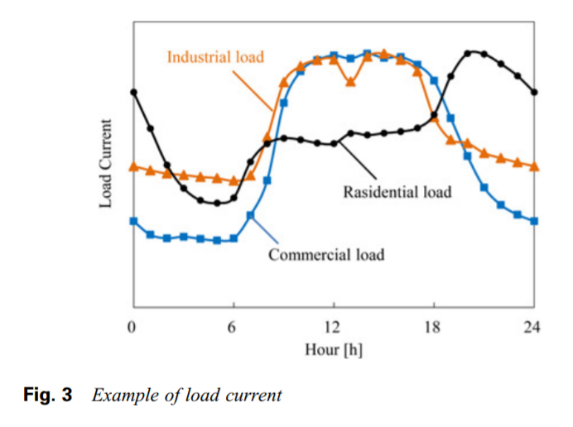
3 | 0.47115386 | 0.24423076 | 0.49615383 |  |  | 0.62631239751 | 0.37368760249
4 | 0.46346155 | 0.25192308 | 0.42115384 |  |  | 0.63671874726 | 0.36328125274
5 | 0.45576924 | 0.23653845 | 0.37692308 |  |  | 0.69101633276 | 0.30898366724
6 | 0.45576924 | 0.23653845 | 0.37115383 | 0.61388782682 | 0.38611217318 | 0.69824162914 | 0.30175837086
7 | 0.43846154 | 0.2423077 | 0.38653848
8 | 0.46153846 | 0.32692307 | 0.51346153
9 | 0.5903846 | 0.44423077 | 0.5730769
10 | 0.7826923 | 0.7134615 | 0.59615386 | 0.62631239751 | 0.37368760249
11 | 0.8403846 | 0.825 | 0.5884615
12 | 0.86538464 | 0.86730766 | 0.5730769
13 | 0.86538464 | 0.88461536 | 0.5730769
14 | 0.7826923 | 0.875 | 0.61538464 | 0.63671874726 | 0.36328125274
15 | 0.875 | 0.8903846 | 0.6057692
16 | 0.88269234 | 0.875 | 0.6057692
17 | 0.8576923 | 0.875 | 0.61346155
18 | 0.8173077 | 0.85 | 0.62884617 | 0.69101633276 | 0.30898366724
19 | 0.6557692 | 0.7980769 | 0.6807692
20 | 0.58076924 | 0.6653846 | 0.8153846
21 | 0.5653846 | 0.52884614 | 0.8903846
22 | 0.5307692 | 0.42884615 | 0.8903846 | 0.69824162914 | 0.30175837086
23 | 0.52307695 | 0.36346152 | 0.8576923
24 | 0.50576925 | 0.32884616 | 0.8057692

Grafics
 | Building - NAM | Industry - NAM | Building - LAM | Industry - LAM | Building - WEU | Industry - WEU | Building - EEU | Industry - EEU | Building - FSU | Industry - FSU | Building - AFR | Industry - AFR | Building - MEA - Summer | Industry - MEA - Summer | Building - MEA - Inverno | Industry - MEA - Inverno | Building - SAS | Industry - SAS | Building - CPA | Industry - CPA | Building - PAS | Industry - PAS | Building - PAO | Industry - PAO
1 | 47% | 53% | 48% | 52% | 30% | 70% | 61% | 39% | 38% | 62% | 62% | 38% | 71% | 29% | 39% | 61% | 45% | 55% | 27% | 73% | 67% | 33% | 59% | 41%
5 | 45% | 55% | 41% | 59% | 30% | 70% | 54% | 46% | 62% | 38% | 60% | 40% | 76% | 24% | 67% | 33% | 41% | 59% | 25% | 75% | 69% | 31% | 55% | 45%
9 | 46% | 54% | 40% | 60% | 28% | 72% | 57% | 43% | 60% | 40% | 61% | 39% | 76% | 24% | 67% | 33% | 38% | 62% | 24% | 76% | 61% | 39% | 52% | 48%
13 | 50% | 50% | 44% | 56% | 34% | 66% | 60% | 40% | 63% | 37% | 63% | 37% | 69% | 31% | 57% | 43% | 45% | 55% | 23% | 77% | 64% | 36% | 54% | 46%
17 | 54% | 46% | 58% | 42% | 46% | 54% | 72% | 28% | 67% | 33% | 67% | 33% | 69% | 31% | 57% | 43% | 52% | 48% | 27% | 73% | 78% | 22% | 62% | 38%
21 | 51% | 49% | 50% | 50% | 35% | 65% | 73% | 27% | 59% | 41% | 67% | 33% | 71% | 29% | 39% | 61% | 49% | 51% | 27% | 73% | 70% | 30% | 60% | 40%

 | Building - PAO | Industry - PAO
1 | 59% | 41%
5 | 55% | 45%
9 | 52% | 48%
13 | 54% | 46%
17 | 62% | 38%
21 | 60% | 40%
 | 49% | 51% | 47%
 | 490 | 51
 | 1000

